Back DateReports
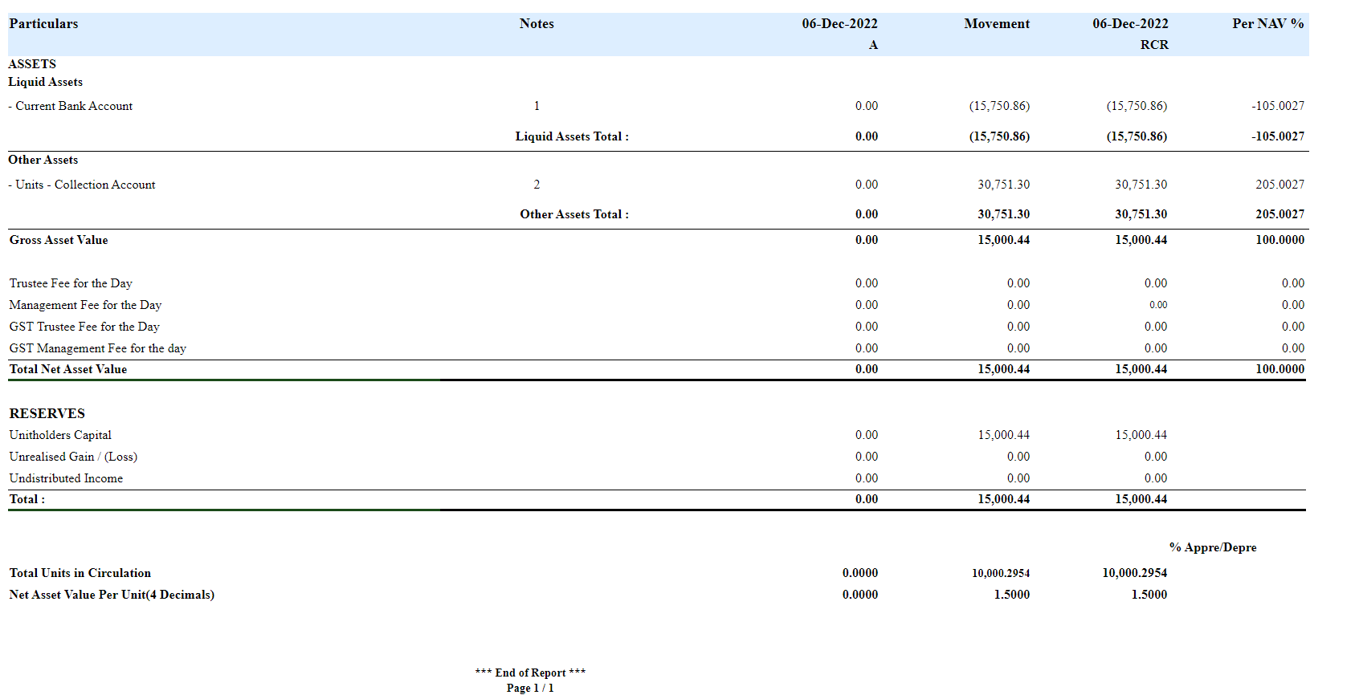
 |  |  |  |  |  | Account Enquiry Report

Portfolio | Entry Date | Trans Date | Trans ID | Ledger ID | Module Ref | Account Type | Control AC | Control AC Name | GL Entry Code | GL Account | GL Account Name | Currency | Credit / Debit | Amount Tcy | Amount Pcy | Exch Rate | Asset Class | Asset Group | Security | Security Type | Trans Code | Broker | Counter Party | Narration | Is Reversed | Is Sysgen

AICF | 18-Dec-22 | 6-Dec-22 | SR2200410040000054 | SR220041004000005406 | PORTFOLIO_SUBRED | LIA | 310110 | Unit Premium Reserve | UNITRESERVE | 310110-MYR | Unit Premium Reserve | MYR | Dr | 10,250.29 | 10,250.29 | 1 |  |  |  | OTH | UNSAL |  |  | Units Subscription - Premium Reserve | Y | N
AICF | 18-Dec-22 | 6-Dec-22 | SR2200410040000054 | SR220041004000005405 | PORTFOLIO_SUBRED | AST | 110800 | Due From The Manager | UNITSCOLLECTION | 110800-MYR | Due From The Manager | MYR | Cr | 30,750.87 | 30,750.87 | 1 |  |  |  | OTH | UNSAL |  |  | Units Subscription - Subscription Account | Y | N
AICF | 18-Dec-22 | 6-Dec-22 | SR2200410040000054 | SR220041004000005404 | PORTFOLIO_SUBRED | LIA | 310100 | Unitholders Capital / Trust Capital | UNITCAPITAL | 310100-MYR | Unitholders Capital / Trust Capital | MYR | Dr | 20,500.58 | 20,500.58 | 1 |  |  |  | OTH | UNSAL |  |  | Units Subscription - Capital | Y | N
AICF | 18-Dec-22 | 6-Dec-22 | SR2200410040000054 | SR220041004000005403 | PORTFOLIO_SUBRED | LIA | 310110 | Unit Premium Reserve | UNITRESERVE | 310110-MYR | Unit Premium Reserve | MYR | Cr | 10,250.29 | 10,250.29 | 1 |  |  |  | OTH | UNSAL |  |  | Units Subscription - Premium Reserve | N | N
AICF | 18-Dec-22 | 6-Dec-22 | SR2200410040000054 | SR220041004000005402 | PORTFOLIO_SUBRED | AST | 110800 | Due From The Manager | UNITSCOLLECTION | 110800-MYR | Due From The Manager | MYR | Dr | 30,750.87 | 30,750.87 | 1 |  |  |  | OTH | UNSAL |  |  | Units Subscription - Subscription Account | N | N
AICF | 18-Dec-22 | 6-Dec-22 | SR2200410040000054 | SR220041004000005401 | PORTFOLIO_SUBRED | LIA | 310100 | Unitholders Capital / Trust Capital | UNITCAPITAL | 310100-MYR | Unitholders Capital / Trust Capital | MYR | Cr | 20,500.58 | 20,500.58 | 1 |  |  |  | OTH | UNSAL |  |  | Units Subscription - Capital | N | N

 |  | ARECA |  |  |  |  |  |  |  |  |  |  |  | Run Date & Time : | 2/22/23
 |  |  |  |  |  |  |  |  |  |  |  |  |  | Business Date : | 25-Dec-22
 |  | Subscription /Redemption From 06-Dec-2022 To 06-Dec-2022 |  |  |  |  |  |  |  |  |  |  |  | User ID / Report ID : | 301758 / NAVCRECANMYSQL
 |  |  |  |  |  |  |  |  |  |  |  |  |  | Portfolio Currency : | MYR
 |  | AICF - Areca Growth Fund
 |  |  |  |  |  |  |  |  | No of Units |  | Capital
Portfolio Class | Trans Date |  | Trans Id | Trade date | Currency | Price | Exch Rate | Trans Code | Units Subscription / (Redemption) | Closing Units | Subscription / (Redemption)TCY | Closing Capital | Load Amount TCY | Trans Charges TCY | Tax Amount TCY
 | 6-Dec-22 |  | SR2200410040000050 | 6-Dec-22 | MYR | 1.5 | 1 | UNSAL | 10,000.43 | 10,000.43 | 15,000.65 | 15,000.65 | 0 | 0 | 0
 | 6-Dec-22 |  | SR2200410040000051 | 6-Dec-22 | MYR | 1.5 | 1 | UNSAL | 20,000.58 | 30,001.01 | 30,000.87 | 45,001.52 | 0 | 0 | 0
 | 6-Dec-22 |  | SR2200410040000052 | 6-Dec-22 | MYR | 1.5 | 1 | UNPUR | -5,000.28 | 25,000.72 | -7,500.43 | 37,501.09 | 0 | 0 | 0
 | 6-Dec-22 |  | SR2200410040000053 | 6-Dec-22 | MYR | 1.5 | 1 | UNSAL | 10,500.43 | 35,501.16 | 15,750.65 | 53,251.74 | 0 | 0 | 0
 | 6-Dec-22 |  | SR2200410040000054 | 6-Dec-22 | MYR | 1.5 | 1 | UNSAL | 20,500.58 | 56,001.73 | 30,750.87 | 84,002.61 | 0 | 0 | 0
 | 6-Dec-22 |  | SR2200410040000055 | 6-Dec-22 | MYR | 1.5 | 1 | UNPUR | -5,500.28 | 50,501.45 | -8,250.43 | 75,752.18 | 0 | 0 | 0

 |  | *** End of Report ***
 |  | Page 1 / 1

 |  | ArecaXXXXXXXXXXXXXXXX |  |  |  | Run Date & Time : | 2/22/23
 |  |  |  |  |  | Business Date : | 25-Dec-22
 |  | Bank Transaction From 07-Dec-2022 To 07-Dec-2022 |  |  |  | User ID / Report ID : | 301758 / BNKTRNMYSQL
 |  |  |  |  |  | Portfolio Currency : | MYR
 |  | Portfolio : AICF - Areca Growth Fund
Trans Date | Trans Code | CParty/Broker | Payment Mode | Details | Debit | Credit | Balance

RHB TXXXXXXXXXXXXXXXXXXXXXXXXXXXXXXXXXXXXXXXXXX - 564016623173
7-Dec-22 | OPBAL | NA | NA | opening balance | 0 | -15,750.86 | -15,750.86 | Cr
7-Dec-22 | UNSSET | NA | NA | Capital Inflow Settlement, Ref : PR2200410040000034 | 15,000.65 | 0 | -750.21 | Cr
7-Dec-22 | UNSSET | NA | NA | Capital Inflow Settlement, Ref : PR2200410040000034 | 0 | -15,000.65 | -15,750.86 | Cr
7-Dec-22 | UNSSET | NA | NA | Capital Inflow Settlement, Ref : PR2200410040000035 | 7,875.00 | 0 | -7,875.86 | Cr
7-Dec-22 | UNSSET | NA | NA | Capital Inflow Settlement, Ref : PR2200410040000035 | 0 | -7,875.00 | -15,750.86 | Cr
7-Dec-22 | UNSSET | NA | NA | Capital Inflow Settlement, Ref : PR2200410040000036 | 15,000.65 | 0 | -750.21 | Cr
 |  | *** End of Report ***
 |  | Page 1 / 1

 |  |  |  | NAV Summary Report

Current Date Reports
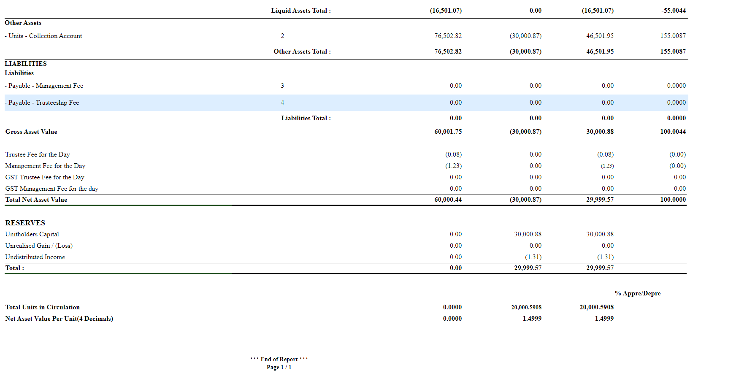
 |  |  |  |  |  | Accounting Enquiry

Portfolio | Entry Date | Trans Date | Trans ID | Ledger ID | Module Ref | Account Type | Control AC | Control AC Name | GL Entry Code | GL Account | GL Account Name | Currency | Credit / Debit | Amount Tcy | Amount Pcy | Exch Rate | Asset Class | Asset Group | Security | Security Type | Trans Code | Broker | Counter Party | Narration | Is Reversed | Is Sysgen

AICF | 18-Dec-22 | 8-Dec-22 | SR2200410040000060 | SR220041004000006006 | PORTFOLIO_SUBRED | LIA | 310110 | Unit Premium Reserve | UNITRESERVE | 310110-MYR | Unit Premium Reserve | MYR | Dr | 10,250.29 | 10,250.29 | 1 |  |  |  | OTH | UNSAL |  |  | Units Subscription - Premium Reserve | Y | N
AICF | 18-Dec-22 | 8-Dec-22 | SR2200410040000060 | SR220041004000006005 | PORTFOLIO_SUBRED | AST | 110800 | Due From The Manager | UNITSCOLLECTION | 110800-MYR | Due From The Manager | MYR | Cr | 30,750.87 | 30,750.87 | 1 |  |  |  | OTH | UNSAL |  |  | Units Subscription - Subscription Account | Y | N
AICF | 18-Dec-22 | 8-Dec-22 | SR2200410040000060 | SR220041004000006004 | PORTFOLIO_SUBRED | LIA | 310100 | Unitholders Capital / Trust Capital | UNITCAPITAL | 310100-MYR | Unitholders Capital / Trust Capital | MYR | Dr | 20,500.58 | 20,500.58 | 1 |  |  |  | OTH | UNSAL |  |  | Units Subscription - Capital | Y | N
AICF | 18-Dec-22 | 8-Dec-22 | SR2200410040000060 | SR220041004000006003 | PORTFOLIO_SUBRED | LIA | 310110 | Unit Premium Reserve | UNITRESERVE | 310110-MYR | Unit Premium Reserve | MYR | Cr | 10,250.29 | 10,250.29 | 1 |  |  |  | OTH | UNSAL |  |  | Units Subscription - Premium Reserve | N | N
AICF | 18-Dec-22 | 8-Dec-22 | SR2200410040000060 | SR220041004000006002 | PORTFOLIO_SUBRED | AST | 110800 | Due From The Manager | UNITSCOLLECTION | 110800-MYR | Due From The Manager | MYR | Dr | 30,750.87 | 30,750.87 | 1 |  |  |  | OTH | UNSAL |  |  | Units Subscription - Subscription Account | N | N
AICF | 18-Dec-22 | 8-Dec-22 | SR2200410040000060 | SR220041004000006001 | PORTFOLIO_SUBRED | LIA | 310100 | Unitholders Capital / Trust Capital | UNITCAPITAL | 310100-MYR | Unitholders Capital / Trust Capital | MYR | Cr | 20,500.58 | 20,500.58 | 1 |  |  |  | OTH | UNSAL |  |  | Units Subscription - Capital | N | N

 |  | ARECA |  |  |  |  |  |  |  |  |  |  |  | Run Date & Time : | 2/22/23
 |  |  |  |  |  |  |  |  |  |  |  |  |  | Business Date : | 22-Dec-22
 |  | Subscription /Redemption From 08-Dec-2022 To 08-Dec-2022 |  |  |  |  |  |  |  |  |  |  |  | User ID / Report ID : | 301758 / NAVCRECANMYSQL
 |  |  |  |  |  |  |  |  |  |  |  |  |  | Portfolio Currency : | MYR
 |  | AICF - Areca Growth Fund
 |  |  |  |  |  |  |  |  | No of Units |  | Capital
Portfolio Class | Trans Date |  | Trans Id | Trade date | Currency | Price | Exch Rate | Trans Code | Units Subscription / (Redemption) | Closing Units | Subscription / (Redemption)TCY | Closing Capital | Load Amount TCY | Trans Charges TCY | Tax Amount TCY
 | 7-Dec-22 |  |  |  | MYR |  | 1 | OPBAL | 10,000.30 | 10,000.30 | 15,000.44 | 15,000.44 | 0 | 0 | 0
 | 8-Dec-22 |  | SR2200410040000056 | 8-Dec-22 | MYR | 1.5 | 1 | UNSAL | 10,000.43 | 20,000.73 | 15,000.65 | 30,001.09 | 0 | 0 | 0
 | 8-Dec-22 |  | SR2200410040000057 | 8-Dec-22 | MYR | 1.5 | 1 | UNSAL | 20,000.58 | 40,001.30 | 30,000.87 | 60,001.96 | 0 | 0 | 0
 | 8-Dec-22 |  | SR2200410040000058 | 8-Dec-22 | MYR | 1.5 | 1 | UNPUR | -5,000.28 | 35,001.02 | -7,500.43 | 52,501.53 | 0 | 0 | 0
 | 8-Dec-22 |  | SR2200410040000059 | 8-Dec-22 | MYR | 1.5 | 1 | UNSAL | 10,500.43 | 45,501.45 | 15,750.65 | 68,252.18 | 0 | 0 | 0
 | 8-Dec-22 |  | SR2200410040000060 | 8-Dec-22 | MYR | 1.5 | 1 | UNSAL | 20,500.58 | 66,002.03 | 30,750.87 | 99,003.05 | 0 | 0 | 0
 | 8-Dec-22 |  | SR2200410040000061 | 8-Dec-22 | MYR | 1.5 | 1 | UNPUR | -5,500.28 | 60,501.74 | -8,250.43 | 90,752.62 | 0 | 0 | 0

 |  | *** End of Report ***
 |  | Page 1 / 1

 |  |  |  |  | NAV Summary Report

